Sheet1
Index | Analog | Smiles | Num Rings | Num Rotatable Bonds | Num Lipinski HB Donor | Num Lipinski HB Acceptor | Mol Wt | LogP | Topological Polar SA | Synthetic Accessibility | Plasma Protein Binding 75%+ | Blood Brain Barrier | Human Intestinal Absorption | Caco-2 Permeability (logPapp) | BCRP Inhibitor | OCT2 inhibitor | Pgp Inhibitors | Block Bile Salt Export Pump | Inhibitors of Cytochrome P450 1A2 | Inhibitors of Cytochrome P450 2C19 | Inhibitors/Substrates of Cytochrome P450 2C9 | Inhibitors/Substrates of Cytochrome P450 3A4 | Activators of Cytochrome P450 3A4 | Inhibitors/Substrates of Cytochrome P450 2D6 | Substrates of Cytochrome P450 2C19 | Activators of Cytochrome P450 2A9 | Acute Oral Toxicity (Mouse, LD50 < 300mg/kg) | Acute Oral Toxicity (Mouse, LD50 < 50mg/kg) | Acute Oral Toxicity (Mouse, LD50 < 5mg/kg) | Acute Oral Toxicity (Rat, LD50 < 300mg/kg) | Acute Oral Toxicity (Rat, LD50 < 50mg/kg) | Acute Oral Toxicity (Rat, LD50 < 5mg/kg) | Activator Alzheimer's amyloid precursor | myocardial damage | Mutagenicity | Induce Phospholipidosis | Carcinogenic Potency (Salmonella Mutagenicity) | Carcinogenic Potency (Mouse) | Cytotoxicity in HEK293 cells - 32 hour | Cytotoxicity in HepG2 cells - 32 hour | Induce genotoxicity in human embryonic kidney cells | Activators of the human pregnane X receptor (PXR) signaling pathway | Differential cytotoxicity (isogenic chicken DT40 cell lines) | Drug Induced Liver Injury | Eye Corrosion | Eye Irritation | Fish Tox (high risk) | hERG Blockers | Mitochondrial Toxicity | Skin Sensitization
000 | 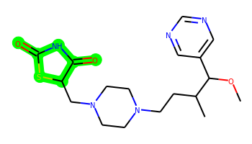 | COC(c1cncnc1)C(C)CCN1CCN(CC2SC(=O)NC2=O)CC1 | 3 | 8 | 1 | 8 | 393.183 | 1.16 | 87.66 | 3.932 | Yes | No | Yes | -5.149 | No | Yes | No | Yes | No | No | No | No | No | No | No | No | No | No | No | No | No | No | No | No | No | Yes | No | No | No | Yes | No | Yes | Yes | Yes | No | No | No | No | No | No
001 | 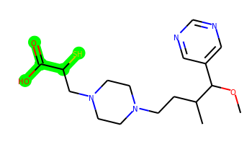 | COC(c1cncnc1)C(C)CCN1CCN(CC(S)C(=O)O)CC1 | 2 | 9 | 1 | 7 | 368.188 | 1.191 | 78.79 | 3.892 | No | No | Yes | -4.928 | No | Yes | No | No | No | No | No | No | No | No | No | No | No | No | No | No | No | No | No | No | No | No | No | No | No | No | No | Yes | No | Yes | No | No | No | No | No | No
002 |  | COC(c1cncnc1)C(C)CCN1CCN(CC(=O)C(=O)O)CC1 | 2 | 9 | 1 | 8 | 350.195 | 0.462 | 95.86 | 3.515 | No | No | No | -5.135 | No | No | No | No | No | No | No | No | No | No | No | No | No | No | No | No | No | No | No | No | No | No | No | No | No | No | No | Yes | No | Yes | No | No | No | No | No | No
003 | 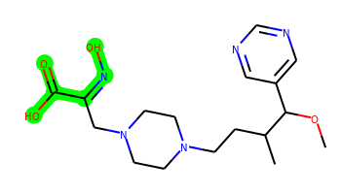 | COC(c1cncnc1)C(C)CCN1CCN(CC(=NO)C(=O)O)CC1 | 2 | 9 | 2 | 9 | 365.206 | 0.723 | 111.38 | 3.718 | No | No | No | -5.16 | No | No | No | No | No | No | No | No | No | No | No | No | No | No | No | No | No | No | No | No | No | No | No | No | No | No | No | Yes | No | Yes | No | No | No | No | No | No
004 | 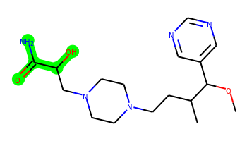 | COC(c1cncnc1)C(C)CCN1CCN(CC(O)C(N)=O)CC1 | 2 | 9 | 3 | 8 | 351.227 | -0.346 | 104.81 | 3.778 | No | No | No | -5.176 | No | No | No | No | No | No | No | No | No | No | No | No | No | No | No | No | No | No | No | No | No | No | No | No | No | No | No | Yes | No | No | No | No | No | No | No | No
005 | 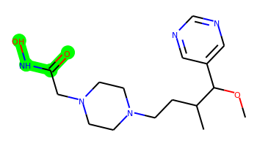 | COC(c1cncnc1)C(C)CCN1CCN(CC(=O)NO)CC1 | 2 | 8 | 2 | 8 | 337.211 | 0.313 | 90.82 | 3.425 | No | No | Yes | -4.827 | No | Yes | No | No | No | No | No | No | No | No | No | No | No | No | No | No | No | No | No | No | No | No | No | No | No | No | No | Yes | Yes | Yes | No | No | No | No | No | No
006 | 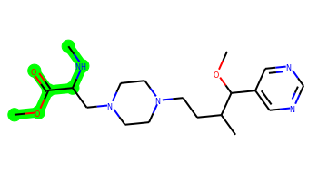 | CNC(CN1CCN(CCC(C)C(OC)c2cncnc2)CC1)C(=O)OC | 2 | 10 | 1 | 8 | 379.258 | 0.569 | 79.82 | 3.698 | No | No | Yes | -4.993 | No | Yes | No | No | No | No | No | No | No | No | No | No | No | No | No | No | No | No | No | No | No | Yes | No | No | No | No | No | Yes | Yes | No | No | No | No | No | No | No
007 | 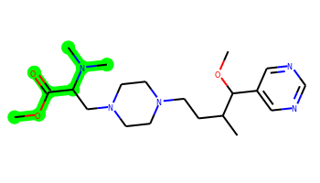 | COC(=O)C(CN1CCN(CCC(C)C(OC)c2cncnc2)CC1)N(C)C | 2 | 10 | 0 | 8 | 393.274 | 0.911 | 71.03 | 3.83 | Yes | Yes | Yes | -4.965 | No | Yes | No | Yes | No | No | No | No | No | No | No | No | No | No | No | No | No | No | No | No | No | Yes | No | No | No | No | No | Yes | Yes | No | No | No | No | Yes | No | No
008 | 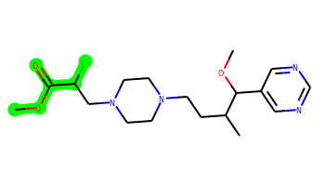 | COC(=O)C(Cl)CN1CCN(CCC(C)C(OC)c2cncnc2)CC1 | 2 | 9 | 0 | 7 | 384.193 | 1.588 | 67.79 | 3.842 | Yes | Yes | Yes | -4.793 | No | Yes | No | Yes | No | No | No | No | No | No | No | No | No | No | No | No | No | No | No | No | No | No | No | No | No | No | No | Yes | Yes | Yes | No | No | Yes | No | No | No
009 | 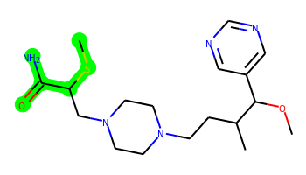 | COC(c1cncnc1)C(C)CCN1CCN(CC(SC)C(N)=O)CC1 | 2 | 10 | 2 | 7 | 381.22 | 1.025 | 84.58 | 3.918 | No | No | Yes | -4.883 | No | Yes | No | No | No | No | No | No | No | No | No | No | No | No | No | No | No | No | No | No | No | No | No | No | No | No | No | Yes | Yes | No | No | No | No | No | No | No
010 | 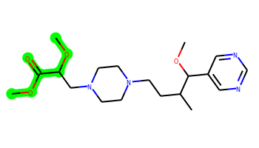 | COC(=O)C(CN1CCN(CCC(C)C(OC)c2cncnc2)CC1)OC | 2 | 10 | 0 | 8 | 380.242 | 0.996 | 77.02 | 3.787 | No | No | Yes | -4.919 | No | Yes | No | No | No | No | No | No | No | No | No | No | No | No | No | No | No | No | No | No | No | No | No | No | No | No | No | Yes | Yes | No | No | No | No | No | No | No

